TOTAL
Alkalmazott szűrők: Highlighted nem egyezik ezzel: (Üres) Arrival_date ekkori vagy későbbi a következőnél: 2026.03.02. 0:00:00 és dátuma korábbi, mint 2026.03.09. 0:00:00 Mandatory egyezik ezzel: Yes LSP egyezik ezzel: Maersk Canceled_shipment egyezik ezzel: N

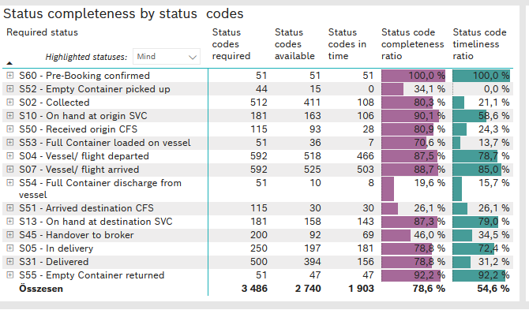
Required status | STATUS_TYPE | Service_Provider | Status codes required | Status codes available | Status codes in time | Status code completeness ratio | Status code timeliness ratio
S60 - Pre-Booking confirmed | Actual | 0000056066 - Maersk | 51 | 51 | 51 | 100.0 % | 100.0 %
S52 - Empty Container picked up | Actual | 0000056066 - Maersk | 44 | 15 | 0 | 34.1 % | 0.0 %
S02 - Collected | Actual | 0000056066 - Maersk | 278 | 214 | 108 | 77.0 % | 38.8 %
S02 - Collected | Estimated | 0000056066 - Maersk | 234 | 197 | 0 | 84.2 % | 0.0 %
S10 - On hand at origin SVC | Actual | 0000056066 - Maersk | 181 | 163 | 106 | 90.1 % | 58.6 %
S50 - Received origin CFS | Actual | 0000056066 - Maersk | 115 | 93 | 28 | 80.9 % | 24.3 %
S53 - Full Container loaded on vessel | Actual | 0000056066 - Maersk | 51 | 36 | 7 | 70.6 % | 13.7 %
S04 - Vessel/ flight departed | Actual | 0000056066 - Maersk | 296 | 255 | 250 | 86.1 % | 84.5 %
S04 - Vessel/ flight departed | Estimated | 0000056066 - Maersk | 296 | 263 | 216 | 88.9 % | 73.0 %
S07 - Vessel/ flight arrived | Actual | 0000056066 - Maersk | 296 | 255 | 251 | 86.1 % | 84.8 %
S07 - Vessel/ flight arrived | Estimated | 0000056066 - Maersk | 296 | 270 | 252 | 91.2 % | 85.1 %
S54 - Full Container discharge from vessel | Actual | 0000056066 - Maersk | 51 | 10 | 8 | 19.6 % | 15.7 %
S51 - Arrived destination CFS | Actual | 0000056066 - Maersk | 115 | 30 | 30 | 26.1 % | 26.1 %
S13 - On hand at destination SVC | Actual | 0000056066 - Maersk | 181 | 158 | 143 | 87.3 % | 79.0 %
S45 - Handover to broker | Actual | 0000056066 - Maersk | 100 | 56 | 46 | 56.0 % | 46.0 %
S45 - Handover to broker | Estimated | 0000056066 - Maersk | 100 | 36 | 23 | 36.0 % | 23.0 %
S05 - In delivery | Actual | 0000056066 - Maersk | 250 | 197 | 181 | 78.8 % | 72.4 %
S31 - Delivered | Actual | 0000056066 - Maersk | 250 | 199 | 31 | 79.6 % | 12.4 %
S31 - Delivered | Estimated | 0000056066 - Maersk | 250 | 195 | 125 | 78.0 % | 50.0 %
S55 - Empty Container returned | Actual | 0000056066 - Maersk | 51 | 47 | 47 | 92.2 % | 92.2 %

BCO
Alkalmazott szűrők: Highlighted nem egyezik ezzel: (Üres) Arrival_date ekkori vagy későbbi a következőnél: 2026.03.02. 0:00:00 és dátuma korábbi, mint 2026.03.09. 0:00:00 Mandatory egyezik ezzel: Yes LSP egyezik ezzel: Maersk Service_Load egyezik ezzel: BCO Canceled_shipment egyezik ezzel: N
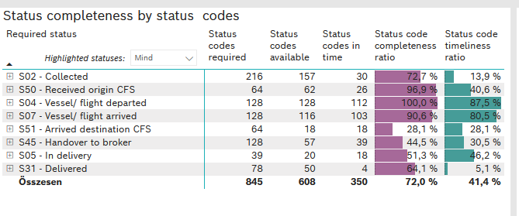
Required status | STATUS_TYPE | Service_Provider | Status codes required | Status codes available | Status codes in time | Status code completeness ratio | Status code timeliness ratio
S02 - Collected | Actual | 0000056066 - Maersk | 108 | 78 | 30 | 72.2 % | 27.8 %
S02 - Collected | Estimated | 0000056066 - Maersk | 108 | 79 | 0 | 73.1 % | 0.0 %
S50 - Received origin CFS | Actual | 0000056066 - Maersk | 64 | 62 | 26 | 96.9 % | 40.6 %
S04 - Vessel/ flight departed | Actual | 0000056066 - Maersk | 64 | 64 | 63 | 100.0 % | 98.4 %
S04 - Vessel/ flight departed | Estimated | 0000056066 - Maersk | 64 | 64 | 49 | 100.0 % | 76.6 %
S07 - Vessel/ flight arrived | Actual | 0000056066 - Maersk | 64 | 52 | 52 | 81.3 % | 81.3 %
S07 - Vessel/ flight arrived | Estimated | 0000056066 - Maersk | 64 | 64 | 51 | 100.0 % | 79.7 %
S51 - Arrived destination CFS | Actual | 0000056066 - Maersk | 64 | 18 | 18 | 28.1 % | 28.1 %
S45 - Handover to broker | Actual | 0000056066 - Maersk | 64 | 36 | 29 | 56.3 % | 45.3 %
S45 - Handover to broker | Estimated | 0000056066 - Maersk | 64 | 21 | 10 | 32.8 % | 15.6 %
S05 - In delivery | Actual | 0000056066 - Maersk | 39 | 20 | 18 | 51.3 % | 46.2 %
S31 - Delivered | Actual | 0000056066 - Maersk | 39 | 30 | 4 | 76.9 % | 10.3 %
S31 - Delivered | Estimated | 0000056066 - Maersk | 39 | 20 | 0 | 51.3 % | 0.0 %

FCL
Alkalmazott szűrők: Highlighted nem egyezik ezzel: (Üres) Arrival_date ekkori vagy későbbi a következőnél: 2026.03.02. 0:00:00 és dátuma korábbi, mint 2026.03.09. 0:00:00 Mandatory egyezik ezzel: Yes LSP egyezik ezzel: Maersk Service_Load egyezik ezzel: FCL Canceled_shipment egyezik ezzel: N

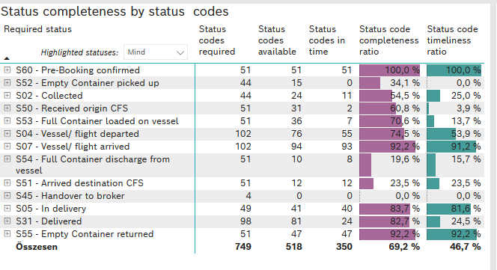
Required status | STATUS_TYPE | Service_Provider | Status codes required | Status codes available | Status codes in time | Status code completeness ratio | Status code timeliness ratio
S60 - Pre-Booking confirmed | Actual | 0000056066 - Maersk | 51 | 51 | 51 | 100.0 % | 100.0 %
S52 - Empty Container picked up | Actual | 0000056066 - Maersk | 44 | 15 | 0 | 34.1 % | 0.0 %
S02 - Collected | Actual | 0000056066 - Maersk | 44 | 24 | 11 | 54.5 % | 25.0 %
S50 - Received origin CFS | Actual | 0000056066 - Maersk | 51 | 31 | 2 | 60.8 % | 3.9 %
S53 - Full Container loaded on vessel | Actual | 0000056066 - Maersk | 51 | 36 | 7 | 70.6 % | 13.7 %
S04 - Vessel/ flight departed | Actual | 0000056066 - Maersk | 51 | 40 | 38 | 78.4 % | 74.5 %
S04 - Vessel/ flight departed | Estimated | 0000056066 - Maersk | 51 | 36 | 17 | 70.6 % | 33.3 %
S07 - Vessel/ flight arrived | Actual | 0000056066 - Maersk | 51 | 47 | 47 | 92.2 % | 92.2 %
S07 - Vessel/ flight arrived | Estimated | 0000056066 - Maersk | 51 | 47 | 46 | 92.2 % | 90.2 %
S54 - Full Container discharge from vessel | Actual | 0000056066 - Maersk | 51 | 10 | 8 | 19.6 % | 15.7 %
S51 - Arrived destination CFS | Actual | 0000056066 - Maersk | 51 | 12 | 12 | 23.5 % | 23.5 %
S45 - Handover to broker | Actual | 0000056066 - Maersk | 2 | 0 | 0 | 0.0 % | 0.0 %
S45 - Handover to broker | Estimated | 0000056066 - Maersk | 2 | 0 | 0 | 0.0 % | 0.0 %
S05 - In delivery | Actual | 0000056066 - Maersk | 49 | 41 | 40 | 83.7 % | 81.6 %
S31 - Delivered | Actual | 0000056066 - Maersk | 49 | 43 | 18 | 87.8 % | 36.7 %
S31 - Delivered | Estimated | 0000056066 - Maersk | 49 | 38 | 6 | 77.6 % | 12.2 %
S55 - Empty Container returned | Actual | 0000056066 - Maersk | 51 | 47 | 47 | 92.2 % | 92.2 %

LCL
Alkalmazott szűrők: Highlighted nem egyezik ezzel: (Üres) Arrival_date ekkori vagy későbbi a következőnél: 2026.03.02. 0:00:00 és dátuma korábbi, mint 2026.03.09. 0:00:00 Mandatory egyezik ezzel: Yes LSP egyezik ezzel: Maersk Service_Load egyezik ezzel: LCL Canceled_shipment egyezik ezzel: N

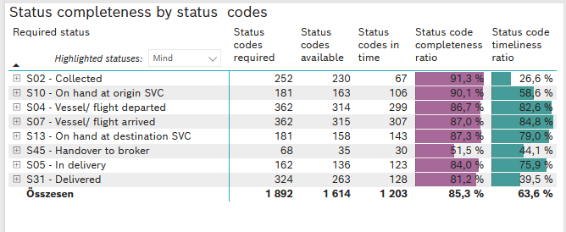
Required status | STATUS_TYPE | Service_Provider | Status codes required | Status codes available | Status codes in time | Status code completeness ratio | Status code timeliness ratio
S02 - Collected | Actual | 0000056066 - Maersk | 126 | 112 | 67 | 88.9 % | 53.2 %
S02 - Collected | Estimated | 0000056066 - Maersk | 126 | 118 | 0 | 93.7 % | 0.0 %
S10 - On hand at origin SVC | Actual | 0000056066 - Maersk | 181 | 163 | 106 | 90.1 % | 58.6 %
S04 - Vessel/ flight departed | Actual | 0000056066 - Maersk | 181 | 151 | 149 | 83.4 % | 82.3 %
S04 - Vessel/ flight departed | Estimated | 0000056066 - Maersk | 181 | 163 | 150 | 90.1 % | 82.9 %
S07 - Vessel/ flight arrived | Actual | 0000056066 - Maersk | 181 | 156 | 152 | 86.2 % | 84.0 %
S07 - Vessel/ flight arrived | Estimated | 0000056066 - Maersk | 181 | 159 | 155 | 87.8 % | 85.6 %
S13 - On hand at destination SVC | Actual | 0000056066 - Maersk | 181 | 158 | 143 | 87.3 % | 79.0 %
S45 - Handover to broker | Actual | 0000056066 - Maersk | 34 | 20 | 17 | 58.8 % | 50.0 %
S45 - Handover to broker | Estimated | 0000056066 - Maersk | 34 | 15 | 13 | 44.1 % | 38.2 %
S05 - In delivery | Actual | 0000056066 - Maersk | 162 | 136 | 123 | 84.0 % | 75.9 %
S31 - Delivered | Actual | 0000056066 - Maersk | 162 | 126 | 9 | 77.8 % | 5.6 %
S31 - Delivered | Estimated | 0000056066 - Maersk | 162 | 137 | 119 | 84.6 % | 73.5 %

